IT- ITES
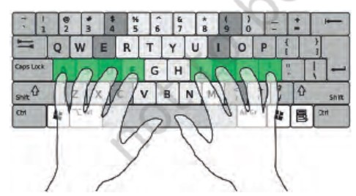
Question Statement | Option 1 | Option 2 | Option 3 | Option 4 | Correct Answer | Correct Answer Explanation | Difficulty level
Which of the following key combination is used to move the cursor to the beginning of a document in word processing software? | Alt + End | Ctrl + Home | Alt + Enter | Ctrl + Delete | Ctrl + Home | Ctrl + Home is a shortcut key combination used to quickly navigate the cursor to the beginning of a document or text. It is the standard keyboard shortcut used to move the cursor to the beginning of a document in word processing software. | Easy
Raj is preparing a document in LibreOffice Writer, and he wants to apply a style from the sidebar menu. What should be his first step? | Selecting the text or object to be formatted | Opening the Styles menu from the sidebar | Double-clicking the desired style | All of the above | Selecting the text or object to be formatted | Raj needs to choose the text or item he want to format as his initial action. This is significant because the chosen text or object will be rendered in the style he selects. He can choose the text, open the Styles menu from the sidebar, and double-click the style he wants to use. He must first choose the text or object for the style to know where to apply it. | Intermediate
<img src="Picture1.jpg" /> Which of the following option is true about the finger position in the given image? | Fingers are positioned on the Numeric keys. | Fingers are positioned on the home row keys. | Fingers are positioned on the Guide keys. | Fingers are positioned on the Function keys. | Fingers are positioned on the home row keys. | In touch typing, the home row is where the fingers rest initially (ASDF for the left hand and; LKJ for the right hand), and from where most keystrokes are made. So, the given image shows the position on Home on row. | Intermediate
You are working on LibreOffice Writer. What happens when you select the "Crop" tool in the Image Toolbar? | Image does not show. | Image flips horizontally. | Image flips vertically. | Image resizing handles appear. | Image resizing handles appear. | In the Image Toolbar of LibreOffice Writer, when you click on the “Crop” tool the resizing handles surrounding the image transform into cropping handles. These handles enable you to drag the images’ edge or corners to eliminate undesired sections. Cropping changes, the visible area of the image while keeping its original dimensions intact. | Complex
Your teacher gives you an assignment to change the format of a specific word within a paragraph without affecting the rest of the paragraph. Which style category will you use to complete your assignment? | List Style | Table Style | Character Style | Page Style | Character Style | In LibreOffice Writer Character Style is used to format a specific block of text within a paragraph, such as changing the font, size, colour, or emphasis (bold, italic) of individual words or phrases without affecting the entire paragraph. | Complex

